6.1 Unified Communications
Unified Communications
Verizon WebEx Calling (link to Verizon website for more service details)
Service Description: WebEx Calling (WXC) is a powerful, multi-featured advanced communications Unified Communications platform developed to meet the needs of small and medium-sized businesses and multi-site enterprises. In addition to powerful PBX in-the-cloud features, it also can provide instant messaging and presence and desktop sharing for a complete collaboration experience. It lets businesses adopt advanced collaboration tools for greater productivity and enhanced customer service.
For additional information on these services, please see Appendix A in the Cost Package
Service components for Virtual Communications Express:
Access (Required service component)
Trunks (Call Paths) (Required service component)
Licenses (Required service component)
CPE (Optional service component)
Features of Selection (Optional service component)
Overview
 | * Carrier-Class availability and reliability. Mitigate the risk of downtime from network failures with redundant systems in different locations.
 | * Internet access options. Pair WebEx Calling with your existing internet access or take advantage of Verizon’s Private IP or internet access
 | * Connectivity where you need it. Work remotely, move phones from one location to another or add lines as your business scales. Plus, easily reroute calls if you lose internet connectivity.
 | * Voice over IP (VoIP) readiness & QoS. Delivering WebEx Calling via your secure Verizon Private IP network reduces VoIP readiness issues. A preliminary Private IP Design is conducted for each site that confirms the proper bandwidth and QOS for VoIP
 | * No user minimum or maximum
 | * Multiple phone models to choose from, Mobile client as well as soft phone available
 | * Administrative ease via publically accessible portal and dashboard as well as end user access to self admin features
Collaboration tools
 | Instant messaging and presence, Instant meeting audio conferencing, Desktop sharing, File sharing, Clients for computers and Smart phones, Always-present corporate caller ID whether on a company or personal smart phone, Inbound e-Fax, Point-to-point video calling
Licenses
 | Messaging only, Dial tone, Basic, Standard (Number of simultaneous calls is capped by the number of Standard trunks; Allows for oversubscription of users to call paths), Premiere (total number of simultaneous calls is limited only by the available internet bandwidth; includes mobile and desktop clients with each user)
Standard WebEx Calling features
 | More than 53 Telephony features dependent on License subscription
Additional WebEx Calling Features
* Auto Attendant - Customizable automated answering service / Business and after-hours greetings
* Hunt Group - Group users into calling groups / Sequential, simultaneous or weighted hunting
* Customizable Music on Hold - Upload custom files for hold music
* Enhanced Hunt Group with Call Queue - Group individual callers into a calling group with network call queue and customizable greeting and comfort messages
* Receptionist Enterprise - Efficiently answer, transfer, or conference high volumes of calls / Gain visibility into user call status through a web-based portal
* Instant meeting Audio Conferencing - 120 ports of capacity shared among all users / Dial out to participants, record calls, and mute parties with in-call controls
* Call Center - Group individual callers into a calling group with Network Call Queue and customizable greeting and comfort messages Group individual callers into a calling group with Network Call Queue and customizable greeting and comfort messages

Pricing Example: Configuration for Unified Communications Solution
Ex. Network access (either customer provided or purchase from Verizon) + Standard feature set & license + 1 call path + CPE and/or UC Client. Customer Provided Access (no added cost) + the Concurrent Call Path ($10.68)+WXC Standard Station License ($7.63) + Yealink - SIP-T42G - 12-Line IP Phone w/power (NRC $121.65)

CPE
 | Customer Premises Equipment (CPE) Use
 | WebEx CPE
 | Sets and Endpoints |  | Charge Type | Qty | GTA Price
 | Yealink - SIP-T42G - 12-Line IP Phone - Includes Power Supply (SIP-T42G_AC) |  | NRC | 1 | $121.65
 | Yealink - Wall Mount Bracket for SIP-T46 (SIP-T46G-MOUNT) |  | NRC | 1 | $9.20
 | Yealink - EXP40 LCD Expansion Module for the SIP-T46G (EXP40) |  | NRC | 1 | $107.43
 | Yealink - Wall Mount Bracket for the SIP-T48 (MOUNT-BRACKET-T48G) |  | NRC | 1 | $9.20
 | Yealink - SIP-T48S 6-line IP Phone with 7 inch Color Touch Screen (PoE) - Without Power Supply (SIP-T48S) |  | NRC | 1 | $222.16
 | Yealink - SIP-T42G - 12-Line IP Phone (PoE) - Does Not Include Power Supply (SIP-T42G) |  | NRC | 1 | $113.81
 | Yealink - SIP-T48S 6-line IP Phone with 7 inch Color Touch Screen (PoE) - With Power Supply (SIP-T48S_AC) |  | NRC | 1 | $195.66
 | Yealink - SIP-T46S IP Phone (PoE) - With Power Supply (SIP-T46S_AC) |  | NRC | 1 | $181.14
 | Yealink - SIP-T46S IP Phone (PoE) - Without Power Supply (SIP-T46S) |  | NRC | 1 | $171.37
 | Yealink - SIP-T53 Gigabit IP Phone with Adjustable Screen - Without Power Supply (SIP-T53) |  | NRC | 1 | $117.65
 | Yealink - SIP-T53 Gigabit IP Phone with Adjustable Screen - Includes Power Supply (SIP-T53_AC) |  | NRC | 1 | $125.49
 | Yealink - SIP-T56A Video Collaboration Phone - Includes Power Supply (SIP-T56A_AC) |  | NRC | 1 | $286.03
 | Yealink - SIP-T56A Video Collaboration Phone - Without Power Supply (SIP-T56A) |  | NRC | 1 | $276.23
 | Yealink - SIP-T58A Video Collaboration Phone - Includes Power Supply (SIP-T58A_AC) |  | NRC | 1 | $296.24
 | Yealink - SIP-T58A Video Collaboration Phone - Without Power Supply (SIP-T58A) |  | NRC | 1 | $286.47
 | Yealink - CP960 Optima HD IP Conference Phone (CP960) |  | NRC | 1 | $535.84
 | Yealink - Two Wireless Microphones for CP960 (CPW90) |  | NRC | 1 | $188.00
 | Yealink - Two Wired Microphones for CP960 (CPE90) |  | NRC | 1 | $148.35
 | Yealink - CP920 Touch-sensitive HD IP Conference Phone (CP920 |  | NRC | 1 | $356.80
...
 | Voice over IP (VoIP)
 |  | DID Number |  | Per Phone Number | $0.20
 |  | Voice Mails |  | Per Phone Number | $3.50
 |  | Caller ID with Name - Inbound |  | Per Location ID | $0.24
 |  | Auto Attendant Instances |  | Per Phone Number | $20.00
 |  | Non-Published |  | Per Phone Number | $1.07
 |  | Additional Listing |  | Per Phone Number | $0.73
 |  | Non-Listed |  | Per Phone Number | $1.07

WebEx Meetings is and app-centric cloud based service that provide a complete Collaboration Suite for teams to create, meet, message, call, whiteboard, and share regardless of whether they are together or apart in one Continuous work stream before and after meetings. WebEx Meetings offers a wide variety of features to make sure you get the most out of your meetings, including:

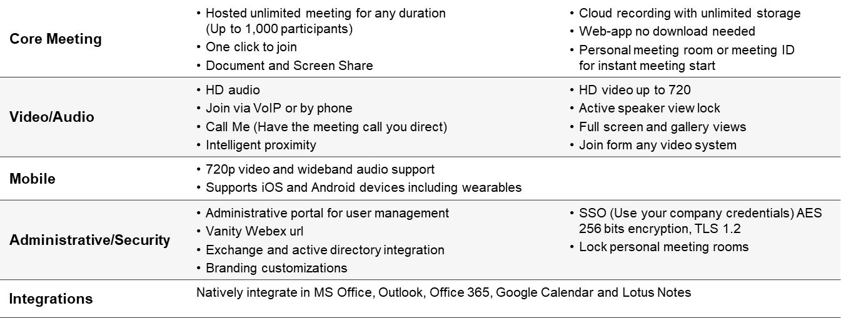

 |  | Cisco WebEx Collaboration Flex

 |  | Configuration | Deployment Type | MRC per Unit
 |  | Collaboration Flex - Named User - Cloud - Meeting - Event Center up to 1000 participants | Cloud | $390.00
 |  | Collaboration Flex - Named User - Cloud - Meeting - Event Center -Up to 3000 participants | Cloud | $805.00
 |  | Collaboration Flex - Named User - Cloud - Meeting - Support Center - To Provide technical support tools needed to troubleshoot | Cloud | $115.00
 |  | Collaboration Flex - Named User - Cloud - Meeting - Training Center -provides special tools to support training sessions | Cloud | $410.00
 |  | Collaboration Flex - Named User - Cloud - Meeting - Meeting Suite - includes Single Sign-On (SSO) | Cloud | $44.00
...

7. Inside Cable Wiring
...
Verizon will provide Category 5e, Category 6 and Fiber installation based on the table below. Verizon has simplified our pricing by segmenting Georgia into different zones.
101 - 200 Feet | $262.58 | $131.85 | $394.43 | $275.65 | $131.85 | $407.50 | $304.08 | $131.85 | $435.93
201 - 295 Feet | $301.84 | $230.48 | $532.32 | $316.67 | $230.48 | $547.15 | $348.62 | $230.48 | $579.10
OM3 Multimode Fiber Optic Cable - installed, terminated, tested and labeled including wall plate, jack, ceiling support, firestop and certification report.
0-10 Pulls | Labor | Material | Total | Labor | Material | Total | Labor | Material | Total
1 - 100 Feet | $1693.43 | $1344.55 | $3037.98 | $1801.59 | $1344.55 | $3146.14 | $2195.26 | $1344.55 | $3539.81
101 - 200 Feet | $2064.66 | $1606.80 | $3671.46 | $2264.36 | $1606.80 | $3871.16 | $2646.55 | $1606.80 | $4253.35
201 - 295 Feet | $2527.42 | $1855.94 | $4383.36 | $2727.12 | $1855.94 | $4583.06 | $3115.05 | $1855.94 | $4970.99

Dispatch Fee - $225/callout

